Location Plan & Summary
Intelligent Data Collection Limited

Client: | Bristol City Council |  |  | Date of Survey: |  | 09.07.2015
Project Number: | ID02343 |  |  | Site Name: |  | East Park
Site Number: | ANPR Site 19 |  |  | Survey Type: |  | Two-way Link Count

X Coordinate |  | Y Coordinate |  |  | Google Maps Link
51.470773 |  | -2.562074 |  |  | Click Here
AM Peak Conditions |  | Inter-Peak Conditions |  |  | PM Peak Conditions
Clear and Sunny |  | Clear and Sunny |  |  | Clear and Sunny
Junction Layout

N

 |  |  |  |  |  | Arm B - East Park (N)

 |  |  | Arm A - East Park (S)

Aerial Mapping and On-site Camera View
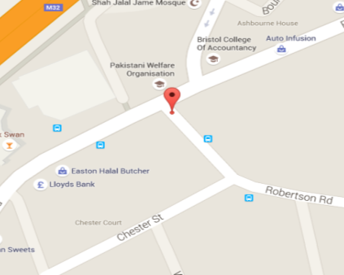

Arm A - East Park (S)

Arm B - East Park (N)

Junction Flow Profile
Arm Approach Flows (All Vehicles)
 | A to B (Northbound) | B to A (Southbound) | Two-way Total
7:00:00 | 7 | 6 | 13
7:15:00 | 5 | 7 | 12
7:30:00 | 7 | 10 | 17
7:45:00 | 5 | 11 | 16
8:00:00 | 11 | 13 | 24
8:15:00 | 14 | 16 | 30
8:30:00 | 9 | 30 | 39
8:45:00 | 28 | 22 | 50
9:00:00 | 15 | 16 | 31
9:15:00 | 11 | 10 | 21
9:30:00 | 16 | 14 | 30
9:45:00 | 19 | 13 | 32
10:00:00 | 16 | 13 | 29
10:15:00 | 12 | 13 | 25
10:30:00 | 16 | 13 | 29
10:45:00 | 12 | 9 | 21
11:00:00 | 13 | 17 | 30
11:15:00 | 12 | 14 | 26
11:30:00 | 13 | 12 | 25
11:45:00 | 13 | 12 | 25
12:00:00 | 14 | 17 | 31
12:15:00 | 11 | 15 | 26
12:30:00 | 14 | 12 | 26
12:45:00 | 14 | 14 | 28
13:00:00 | 13 | 12 | 25
13:15:00 | 9 | 7 | 16
13:30:00 | 15 | 12 | 27
13:45:00 | 11 | 12 | 23
14:00:00 | 13 | 10 | 23
14:15:00 | 15 | 19 | 34
14:30:00 | 19 | 17 | 36
14:45:00 | 18 | 13 | 31
15:00:00 | 17 | 19 | 36
15:15:00 | 12 | 36 | 48
15:30:00 | 28 | 21 | 49
15:45:00 | 18 | 12 | 30
16:00:00 | 23 | 16 | 39
16:15:00 | 16 | 18 | 34
16:30:00 | 14 | 5 | 19
16:45:00 | 10 | 16 | 26
17:00:00 | 14 | 21 | 35
17:15:00 | 17 | 11 | 28
17:30:00 | 9 | 10 | 19
17:45:00 | 11 | 10 | 21
18:00:00 | 16 | 10 | 26
18:15:00 | 11 | 9 | 20
18:30:00 | 13 | 13 | 26
18:45:00 | 10 | 12 | 22

Additional Notes (Factors which may impact on survey results such as accidents, roadworks, special events):

